HOME







 |  | PROJECT ON IPL 2008 - 2019

CLICK ON THE LOGO TO KNOW MORE ABOUT THE TEAM
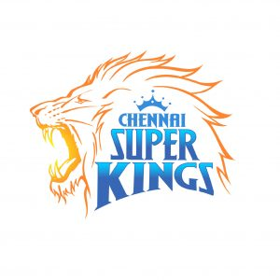
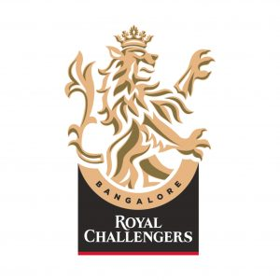
 | 

DASHBOARD1

 | DASHBOARD1
CLICK ME

IPL-2011 Stadium Played
 | IPL-2011
Dr DY Patil Sports Academy | 7
Eden Gardens | 7
Feroz Shah Kotla | 7
Himachal Pradesh Cricket Association Stadium | 3
Holkar Cricket Stadium | 2
M Chinnaswamy Stadium | 6
MA Chidambaram Stadium, Chepauk | 9
Nehru Stadium | 5
Punjab Cricket Association Stadium, Mohali | 4
Rajiv Gandhi International Stadium, Uppal | 7
Sawai Mansingh Stadium | 7
Wankhede Stadium | 9
 | Total
IPL-2008 | 70
IPL-2009 | 262
IPL-2010 | 162
IPL-2011 | 227
IPL-2012 | 221
IPL-2013 | 310
IPL-2014 | 134
IPL-2015 | 208
IPL-2018 | 81
IPL-2019 | 110
IPL-2011 Teams performance
 | IPL-2011
Chennai Super Kings | 12
Deccan Chargers | 9
Delhi Daredevils | 6
Kings XI Punjab | 7
Kochi Tuskers Kerala | 7
Kolkata Knight Riders | 7
Mumbai Indians | 8
Pune Warriors | 6
Rajasthan Royals | 5
Royal Challengers Bangalore | 5
 | Total
IPL-2008 | 25
IPL-2009 | 27
IPL-2010 | 22
IPL-2011 | 25
IPL-2012 | 22
IPL-2013 | 16
IPL-2014 | 37
IPL-2015 | 20
IPL-2016 | 32
IPL-2017 | 14
IPL-2018 | 19
IPL-2019 | 17
 | bat | field
Chennai Super Kings | 48 | 41
Deccan Chargers | 24 | 19
Delhi Capitals | 2 | 4
Delhi Daredevils | 28 | 42
Gujarat Lions | 1 | 13
Kings XI Punjab | 26 | 65
Kochi Tuskers Kerala | 3 | 4
Kolkata Knight Riders | 30 | 53
Mumbai Indians | 44 | 57
Pune Warriors | 11 | 9
Rajasthan Royals | 32 | 35
Rising Pune Supergiants | 3 | 4
Royal Challengers Bangalore | 20 | 63
Sunrisers Hyderabad | 20 | 43


 |  |  |  | HOME

 |  |  | DASHBOARD1

 |  |  | DASHBOARD2

 |  | DATA SHEET

DASHBOARD2
DASHBOARD2

 | home_win_percentage
Rising Pune Supergiant | 62.5
Mumbai Indians | 57.425742574
Chennai Super Kings | 57.303370787
Delhi Capitals | 50
Sunrisers Hyderabad | 47.619047619
Rajasthan Royals | 43.28358209
Deccan Chargers | 41.860465116
Kings XI Punjab | 41.758241758
Royal Challengers Bangalore | 41.176470588
Kolkata Knight Riders | 40.963855422
Delhi Daredevils | 34.722222222
Pune Warriors | 30
Kochi Tuskers Kerala | 28.571428571
Gujarat Lions | 7.1428571429
 | away_win_percentage
Rising Pune Supergiant | 62.5
Mumbai Indians | 59.302325581
Chennai Super Kings | 65.333333333
Delhi Capitals | 70
Sunrisers Hyderabad | 62.222222222
Rajasthan Royals | 57.5
Deccan Chargers | 34.375
Kings XI Punjab | 51.764705882
Royal Challengers Bangalore | 51.578947368
Kolkata Knight Riders | 61.052631579
Delhi Daredevils | 47.191011236
Pune Warriors | 23.076923077
Kochi Tuskers Kerala | 57.142857143
Gujarat Lions | 75
Total DL'S Taken by each Team
 | Total
Chennai Super Kings | 3
Deccan Chargers | 0
Delhi Capitals | 0
Delhi Daredevils | 4
Gujarat Lions | 0
Kings XI Punjab | 2
Kochi Tuskers Kerala | 0
Kolkata Knight Riders | 3
Mumbai Indians | 0
Pune Warriors | 0
Rajasthan Royals | 1
Rising Pune Supergiant | 0
Rising Pune Supergiants | 1
Royal Challengers Bangalore | 1
Sunrisers Hyderabad | 4

Percentage of Toss decision
 | Total
bat | 293
field | 463
Home vs Away matches
 | home_matches | away_matches
Delhi Capitals | 6 | 10

 |  | HOME

 | DASHBOARD1

 | DASHBOARD2

